Cover Page
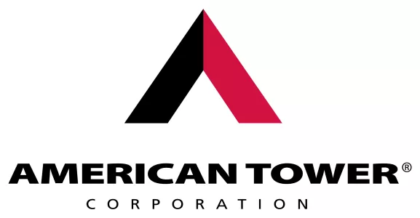

Supplemental Financial and Operating Data

March 31, 2026

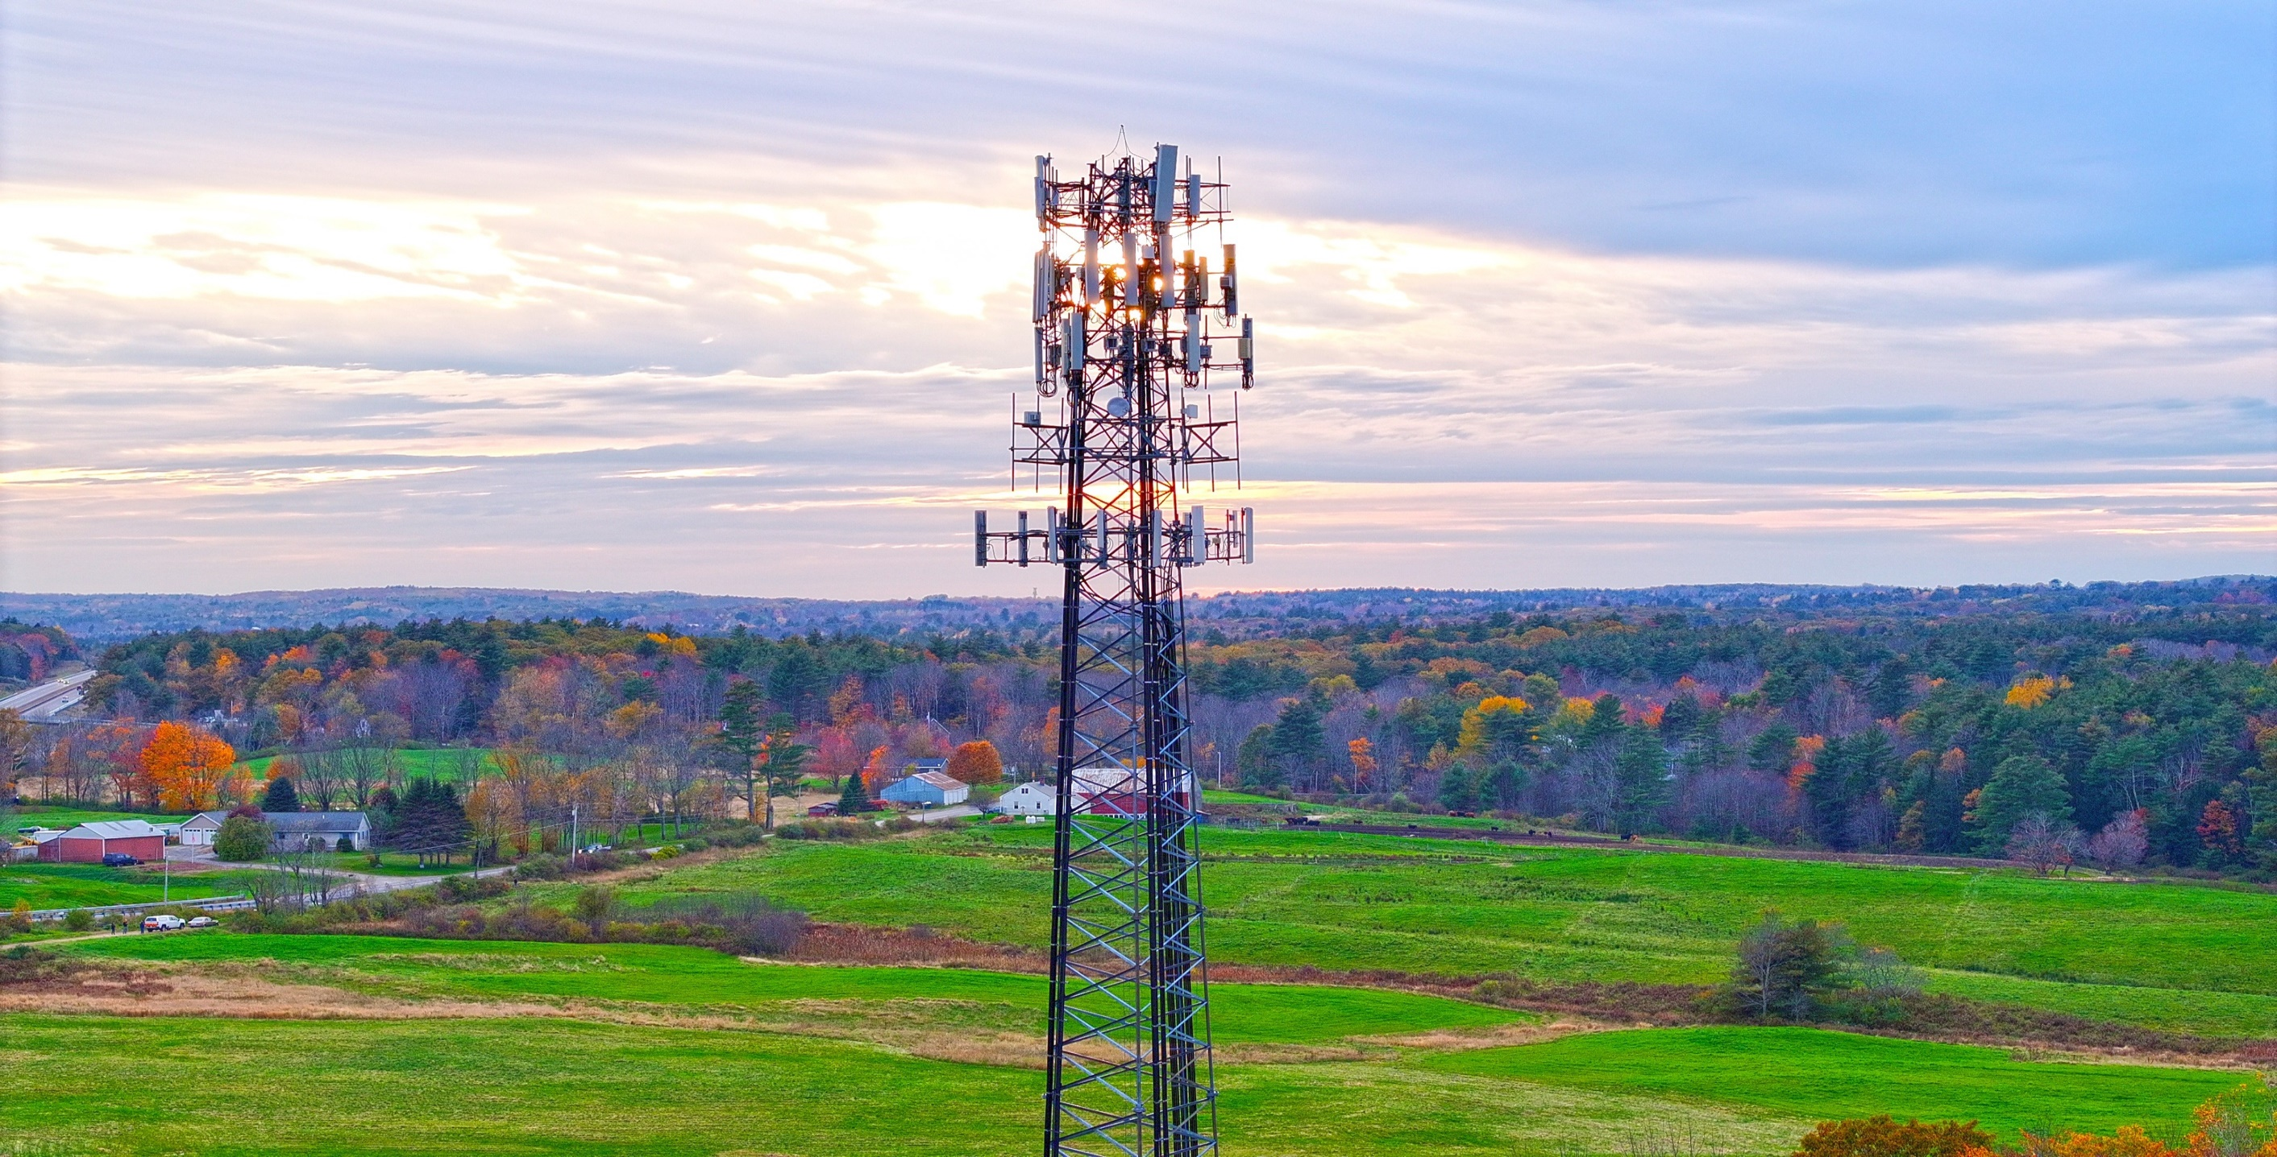

americantower.com

Table of Contents
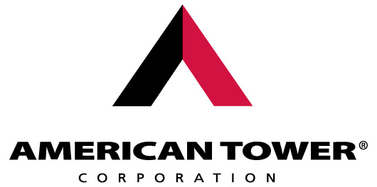
Q1 2026 SUPPLEMENTAL DISCLOSURES

TABLE OF CONTENTS: | Page

Safe Harbor Statement | 3
Corporate Information | 4
Analyst Coverage | 5
Common Stock Data | 6
Dividend Policy; Common Stock Dividend and Stock Repurchase History | 7

Section 1: Company & Portfolio Overview
Company Profile | 9
U.S. Portfolio | 10
International Portfolio | 11
Historical Tower Count | 12
Tenant and Property Interest Overview | 13

Section 2: Historical Financial & Supplemental Data
Consolidated Balance Sheets | 15
Consolidated Statements of Operations | 16
Condensed Consolidated Statements of Cash Flows | 17
Historical Reconciliations | 18-19
Historical Supplemental Details | 20
Illustrative Projections and Outlook Sensitivity Analysis | 21

Section 3: Regional Tear Sheets
Segment Disclosures | 23-24
U.S. & Canada Tear Sheet | 25
Latin America Tear Sheet | 26
Africa & APAC Tear Sheet | 27
Europe Tear Sheet | 28
Data Centers Tear Sheet | 29

Section 4: Capital Structure
Debt Maturity Schedule and Calculation of Net Leverage | 31
Debt Maturity Detail | 32

Section 5: Appendix
Definitions | 35-36
Cautionary Language Regarding Forward-Looking Statements | 37

Contact Information
CORPORATE INFORMATION - CONTACTS

Investor Relations

Spencer Kurn
Senior Vice President, Investor Relations
617-375-7517
Email: Spencer.Kurn@americantower.com

Corporate Headquarters |  |  |  |  | Resources
222 Berkeley Street, 7th Floor |  |  |  |  | Please visit our website to be added to our email distribution list:
Boston, MA 02116 |  |  |  |  | http://www.americantower.com/shareholder-services/
Ph: 617-375-7500 • Fax: 617-375-7575 |  |  |  |  | Investor presentations and other materials can be found at the following link:
Website: | www.americantower.com |  |  |  | https://www.americantower.com/investor-relations

 |  |  |  | Nominating & Corporate Governance
Board of Directors |  | Audit | Compensation & Human Capital |  | Executive Management
Pamela D.A. Reeve, Chairperson |  |  |  | X | >Steven "Steve" Vondran, President and Chief Executive Officer
Steve Vondran |  |  |  |  | >Rodney "Rod" Smith, Executive Vice President, Chief Financial Officer and Treasurer
Kelly C. Chambliss |  |  | X |  | >Ruth Dowling, Executive Vice President, Chief Administrative Officer, General Counsel and Secretary
Teresa H. Clarke |  |  |  | X | >Eugene "Bud" Noel, Executive Vice President and Chief Operating Officer
Kenneth R. Frank |  | X |  | Chair | >Richard "Rich" Rossi, Executive Vice President and President, U.S. Tower
Robert D. Hormats |  |  |  | X | >Juan Font, Senior Vice President and President & CEO, CoreSite
Rajesh Kalathur |  | X
Grace D. Lieblein |  |  | Chair
Craig Macnab |  | X
Neville R. Ray |  |  | X
Eugene F. Reilly |  |  | X
Bruce L. Tanner |  | Chair

Transfer Agent |  | Corporate Counsel |  |  | Independent Registered Public Accounting Firm
Computershare |  | Cleary Gottlieb |  |  | Deloitte & Touche LLP
P.O. Box 43006 |  | One Liberty Plaza |  |  | 115 Federal Street
Providence, RI 02940 |  | New York, NY 10006 |  |  | Boston, MA 02110
Phone: 866-201-5087 | 781-575-2879 |  | Phone: 212-225-2000 |  |  | Phone: 617-437-2000

Analyst Coverage
ANALYST COVERAGE

EQUITY ANALYSTS
Michael Funk Bank of America Securities 646-855-5664 | Brendan Lynch Barclays 212-526-9428 | Madison Rezaei Bernstein 917-344-8622 | Ari Klein BMO Capital Markets 212-885-4103 | Michael Rollins Citigroup 212-816-1116 | Greg Miller Citizens 212-699-2917
Jim Schneider Goldman Sachs 212-357-2929 | David Guarino Green Street Advisors 949-640-8780 | Ali Naqvi HSBC +44 020 7992 2176 | Jonathan Petersen Jefferies 212-284-1705 | Richard Choe J.P. Morgan 212-622-6708 | Brandon Nispel KeyBanc Capital Markets 503-821-3871
Walter Piecyk LightShed Partners 646-450-9258 | Vikram Malhotra Mizuho Securities 212-282-3827 | Nick Del Deo Moffett Nathanson 212-519-0025 | Cameron McVeigh Morgan Stanley 212-761-4209 | David Barden New Street Research 475-655-0644 | Ric Prentiss Raymond James 727-567-2567
Jonathan Atkin RBC Capital Markets 415-633-8589 | Maher Yaghi Scotiabank 437-995-5548 | Michael Elias TD Cowen 646-562-1358 | Matthew Niknam Truist Securities 212-326-6151 | Batya Levi UBS 212-713-8824 | Eric Luebchow Wells Fargo 312-630-2386
Andrew Rosivach Wolfe Research 646-582-9250
FIXED INCOME ANALYSTS
Jason Kilgariff Bank of America Global Research 646-855-8754 | Sandeep Gupta Barclays 212-526-0972 | Scott Wipperman Goldman Sachs 212-357-9922 | Brian Turner J.P. Morgan 212-834-4035 | Doug Colandrea RBC Capital Markets 212-618-5623 | Scott Shiffman Stifel 646-376-5305

Note: Any opinions, estimates or forecasts regarding American Tower Corporation’s performance made by the analysts listed above do not represent the opinions, estimates or forecasts of American Tower Corporation or its management. American Tower Corporation does not by its reference above imply its endorsement of, or concurrence with, information, conclusions or recommendations by any of such analysts.

Common Share Data
COMMON STOCK DATA
American Tower Corporation's common stock is listed on the New York Stock Exchange under the ticker: AMT
The following information is based on data reported by Bloomberg:

 |  | 1Q24 | 2Q24 | 3Q24 | 4Q24 | 1Q25 | 2Q25 | 3Q25 | 4Q25 | 1Q26

High closing price for quarter |  | $218.81 | $200.41 | $242.83 | $232.07 | $217.60 | $228.19 | $232.35 | $193.32 | $193.09
Low closing price for quarter |  | $186.68 | $171.00 | $192.27 | $179.40 | $173.46 | $203.96 | $192.32 | $172.41 | $167.27
Quarter end closing price |  | $197.59 | $194.38 | $232.56 | $183.41 | $217.60 | $221.02 | $192.32 | $175.57 | $172.58
Average daily trading volume (millions) |  | 2.3 | 2.5 | 2.1 | 2.4 | 2.5 | 2.9 | 2.6 | 3.1 | 3.3
Quarter end shares of common stock outstanding (millions) |  | 467.0 | 467.1 | 467.3 | 467.4 | 468.1 | 468.2 | 468.3 | 466.3 | 466.0
Quarter end closing market value of common stock (billions) |  | $92.3 | $90.8 | $108.7 | $85.7 | $101.9 | $103.5 | $90.1 | $81.9 | $80.4

Note: Quarter end closing market value of common stock is based on quarter end shares of common stock outstanding multiplied by the quarter end closing share price as reported by Bloomberg.

 | Credit Ratings
 | Standard & Poor’s: Corporate Credit Rating | BBB+ | (Stable Outlook)
 | Fitch: Issuer Default Rating | BBB+ | (Stable Outlook)
 | Moody’s: Issuer Rating | Baa2 | (Stable Outlook)

Note: These credit ratings may not reflect the potential risks relating to the structure or trading of the Company’s securities and are provided solely for informational purposes. Credit ratings are not recommendations to buy, sell or hold any security, and may be revised or withdrawn at any time by the issuing organization in its sole discretion. The Company does not undertake any obligation to maintain the ratings or to advise of any change in the ratings. Each agency’s rating should be evaluated independently of any other agency’s rating. An explanation of the significances of the ratings can be obtained from each of the ratings agencies.

Dividend Policy
DIVIDEND POLICY

As a real estate investment trust for U.S. federal income tax purposes (“REIT”), we must annually distribute to our stockholders an amount equal to at least 90% of our REIT taxable income (determined before the deduction for distributed earnings and excluding any capital gain). Generally, we have distributed, and expect to continue to distribute, all or substantially all of our REIT taxable income after taking into consideration our utilization of net operating losses ("NOLs"). We will have distributed an aggregate of approximately $24.6 billion⁽¹⁾ to our common stockholders, including the dividend paid on April 28, 2026. These distributions are primarily taxed as ordinary income that may be treated as qualified REIT dividends under Section 199A of the Internal Revenue Code of 1986, as amended, for taxable years beginning before 2026.
The amount, timing and frequency of distributions will be at the sole discretion of our Board of Directors and will depend on various factors, many of which are beyond our control, including: our financial condition and operating cash flows; the amount of the distributions required to maintain our qualification for taxation as a REIT and reduce any income and excise taxes that we otherwise would be required to pay; limitations on distributions in our existing and future debt and equity instruments; our ability to utilize NOLs to offset our distribution requirements; limitations on our ability to fund distributions using cash generated through our taxable REIT subsidiaries; and other factors that our Board of Directors may deem relevant.
We anticipate that distributions will generally be paid from cash from operations after debt service requirements and non-discretionary capital expenditures. For information regarding risk factors that could materially adversely affect our ability to fund our distributions and our actual results of operations, please see Item 1A entitled “Risk Factors” in our most recent annual report on Form 10-K, and other risks described in documents we subsequently file from time to time with the Securities and Exchange Commission.

COMMON STOCK DIVIDEND AND STOCK REPURCHASE HISTORY⁽¹⁾

COMMON STOCK (Quarterly Since 2022) | 1Q23 | 2Q23 | 3Q23 | 4Q23 | 1Q24 | 2Q24 | 3Q24 | 4Q24 | 1Q25 | 2Q25 | 3Q25 | 4Q25 | 1Q26(2)
Distribution per share | $1.56 | $1.57 | $1.62 | $1.70 | $1.62 | $1.62 | $1.62 | $1.62 | $1.70 | $1.70 | $1.70 | $1.70 | $1.79
Aggregate payment amount (millions) | $727.0 | $731.8 | $755.2 | $792.7 | $756.5 | $756.7 | $757.0 | $757.1 | $795.8 | $796.0 | $796.1 | $792.9 | $833.9
Year over Year Per Share Growth (Decline) | 11.4% | 9.8% | 10.2% | 9.0% | 3.8% | 3.2% | 0.0% | (4.7)% | 4.9% | 4.9% | 4.9% | 4.9% | 5.3%

COMMON STOCK (Annual Totals) | 2011(3) | 2012 | 2013 | 2014 | 2015 | 2016 | 2017 | 2018 | 2019 | 2020 | 2021 | 2022 | 2023 | 2024 | 2025
Distribution per share | $0.35 | $0.90 | $1.10 | $1.40 | $1.81 | $2.17 | $2.62 | $3.15 | $3.78 | $4.53 | $5.21 | $5.86 | $6.45 | $6.48 | $6.80
Aggregate payment amount (millions) | $137.8 | $355.5 | $434.5 | $554.6 | $766.4 | $924.0 | $1,122.5 | $1,389.8 | $1,672.8 | $2,010.7 | $2,359.4 | $2,715.3 | $3,006.7 | $3,027.3 | $3,180.8
Year over Year Per Share Growth |  |  | 22.2% | 27.3% | 29.3% | 19.9% | 20.7% | 20.2% | 20.0% | 19.8% | 15.0% | 12.5% | 10.1% | 0.5% | 4.9%

STOCK REPURCHASE HISTORY | Pre-2018 | 2018 | 2019 | 2020 | 2021 | 2022 | 2023 | 2024 | 2025 | 2026(4)
Shares repurchased (thousands) | 103,994 | 1,647 | 94 | 264 | - | 90 | - | - | 2,036 | 1,053
Aggregate repurchase amount (millions) | $4,764 | $233 | $20 | $56 | $- | $19 | $- | $- | $365 | $184

(1) Excludes cumulative total of $86.8 million of distributions paid upon the vesting of restricted stock units.
(2) Paid on April 28, 2026 to common stockholders of record at the close of business on April 14, 2026.
(3) Special distribution paid in Q4 2011 prior to our conversion to a REIT.
(4) Subsequent to March 31, 2026 through April 21, 2026, we repurchased 111,043 shares of our common stock for an aggregate of approximately $19.2 million, including commissions and fees.

Overview >>>>
COMPANY & PORTFOLIO OVERVIEW

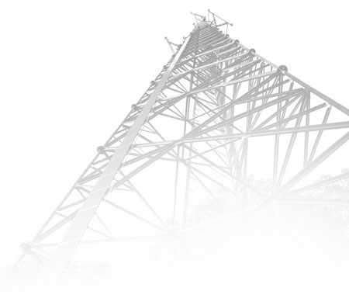

Company Profile
COMPANY PROFILE

American Tower owns and operates a portfolio of nearly 150,000 communications sites, which we lease to wireless service providers, broadcasters and other communication service providers. As of March 31, 2026, our portfolio included over 42,000 properties in the United States & Canada and over 107,000 properties in our international markets. Nearly 98% of our total revenue for the three months ended March 31, 2026 was generated from leasing these properties, as well as a highly interconnected footprint of U.S. data center facilities and other telecommunications assets, to our customers.
As illustrated to the right, our tenants typically own, operate and maintain their antenna, backhaul and base station equipment on our communications sites, while we provide the real estate, including the tower structure, to support them. For additional information, please visit our website at www.americantower.com.
Historically, our communications site business has generated consistent incremental growth in revenue and cash flows due to the following characteristics:
Long-term tenant leases with contractual rent escalations. In general, our tenant leases for our communications sites with wireless carriers have an initial non-cancellable term of five to ten years with multiple renewal terms. Most of our tenant leases have provisions that periodically increase the rent due under the lease, typically annually, based on a fixed escalation percentage (averaging approximately 3% in the United States) or an inflation index in our international markets, or a combination of both.
High lease renewal rates. Our tenants tend to renew their leases because suitable alternative sites may not exist or be available. In addition, repositioning a site in a tenant’s network may be expensive and may affect its network quality.
High operating margins. The incremental operating costs associated with adding tenants to one of our properties are relatively minimal. Therefore, as additional tenants are added, the substantial majority of incremental revenue flows through to Operating Profit.
Low maintenance capital expenditures. On average, we require relatively low amounts of annual capital expenditures to maintain our communications properties.
Growth opportunities. Our portfolio of communications sites provides us with organic growth potential because we have the capacity to add new tenants and new equipment for existing tenants on our sites.

Operated by American Tower |  | AMT
>Tower structure – constructed of galvanized steel with
the capacity for multiple tenants
>Land parcel – owned or operated pursuant to
long-term leases
>Back-up power – generators and batteries to support
consistent power availability
Operated by Tenant | TEN
>Antenna equipment, including microwave equipment
>Tenant shelters containing base-station equipment and
HVAC, which tenants own, operate and maintain
>Coaxial cable

U.S. Portfolio
U.S. PORTFOLIO

ü | Our U.S. portfolio of over 42,000 sites includes wireless communications towers and distributed antenna system ("DAS") networks.

ü | Our top U.S. tenants include T-Mobile, AT&T and Verizon.

ü | We also have a portfolio of property interests under third-party communications sites, data center facilities and other communications assets.

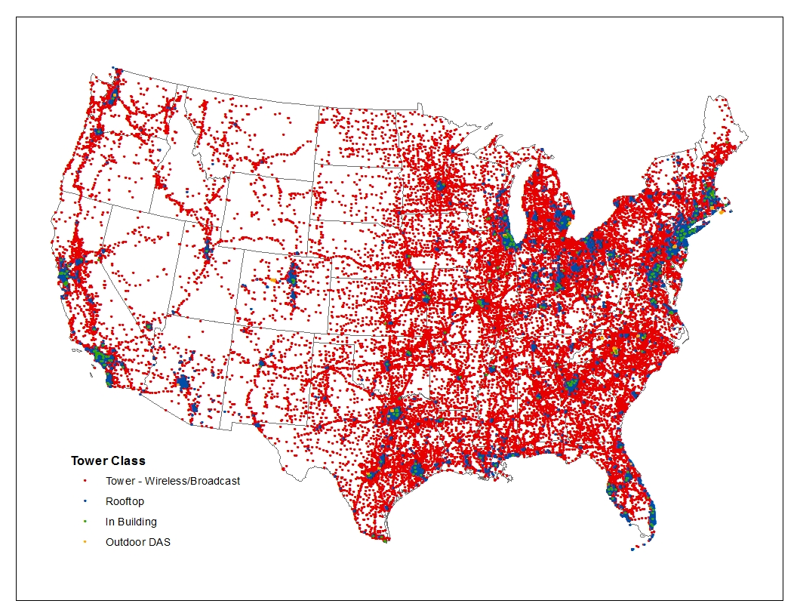

Tower - Wireless/Broadcast
Rooftop
In-Building DAS
Outdoor DAS

International Portfolio
INTERNATIONAL PORTFOLIO⁽¹⁾⁽²⁾

 | # of Sites(3) | % of Q1 2026 | % of Q1 2026 | International Tenants(5) | Telefónica | Airtel | MTN | AT&T | TIM | AMX | Millicom | Orange | Entel | Vodafone

 |  | Property Revenue(4) | Property Gross Margin(4) | % of Total Property Revenue | ~11% | ~6% | ~5% | ~3% | ~2% | ~2% | ~1% | ~1% | ~1% | ~1%

Bangladesh | 1,072 | 0.1% | 0.1%
Burkina Faso | 733 | 0.4% | 0.3% |  |  |  |  |  |  |  |  | ü
Ghana | 3,470 | 2.0% | 1.7% |  |  | ü | ü
Kenya | 4,522 | 1.7% | 1.5% |  |  | ü | ü
Niger | 950 | 0.5% | 0.5% |  |  | ü
Nigeria | 9,727 | 4.7% | 4.4% |  |  | ü | ü
Philippines | 386 | 0.1% | 0.1%
South Africa | 2,482 | 1.8% | 1.5% |  |  |  | ü |  |  |  |  |  |  | ü
Uganda | 4,642 | 2.9% | 2.8% |  |  | ü | ü
Africa & APAC | 27,984 | 14.2% | 12.9% |  |  | ü | ü |  |  |  |  | ü |  | ü

France | 4,624 | 1.3% | 1.4% |  |  |  |  |  |  |  |  | ü
Germany | 15,589 | 4.9% | 4.6% |  | ü |  |  |  |  |  |  |  |  | ü
Spain | 12,466 | 3.6% | 2.3% |  | ü |  |  |  |  |  |  | ü |  | ü
Europe | 32,679 | 9.8% | 8.4% |  | ü |  |  |  |  |  |  | ü |  | ü

Argentina | 508 | 0.4% | 0.3% |  | ü |  |  | ü |  | ü
Brazil | 22,377 | 8.6% | 8.3% |  | ü |  |  | ü | ü | ü
Chile | 3,781 | 1.2% | 1.1% |  | ü |  |  |  |  | ü |  |  | ü
Colombia | 4,815 | 1.2% | 1.0% |  | ü |  |  | ü |  | ü | ü
Costa Rica | 713 | 0.2% | 0.2% |  |  |  |  |  |  | ü | ü
Mexico | 8,892 | 5.1% | 5.3% |  | ü |  |  | ü |  | ü
Paraguay | 1,450 | 0.2% | 0.2% |  |  |  |  |  |  | ü | ü
Peru | 4,412 | 1.0% | 0.9% |  |  |  |  |  |  | ü |  |  | ü
Latin America | 46,948 | 18.0% | 17.3% |  | ü |  |  | ü | ü | ü | ü |  | ü

Total International | 107,611 | 41.9% | 38.6%

(1) Reflects the Company's Africa & APAC, Europe and Latin America segments.
(2) In many international markets, the Company has non-tower, non-DAS communications infrastructure assets, which are excluded from site counts.
(3) Includes in-building and outdoor DAS networks.
(4) Percentages may not sum to the totals due to rounding.
(5) Represents top 10 international tenants for the quarter ended March 31, 2026.

Tenant & Prop Int
TENANT AND PROPERTY INTEREST OVERVIEW(1)
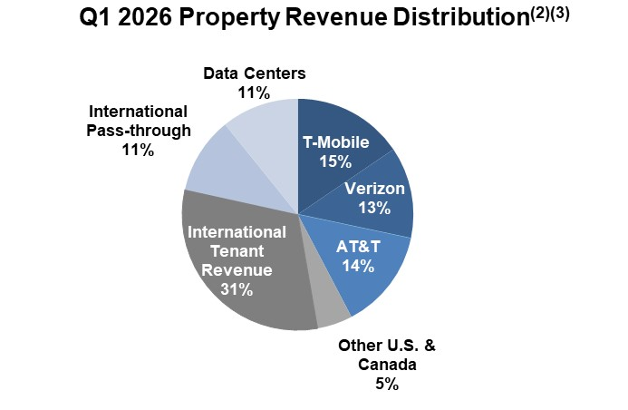
 |  |  | U.S. & Canada Property Interest Highlights

 | › | Approximately 40% of land is owned or operated pursuant to a finance lease or perpetual easement
 | › | Average remaining term of nearly 31 years for leased land
 | › | Lease term extensions are typically approximately 20 years
 | › | Over 90% of ground leases are held by landlords who own a single land parcel

(4)

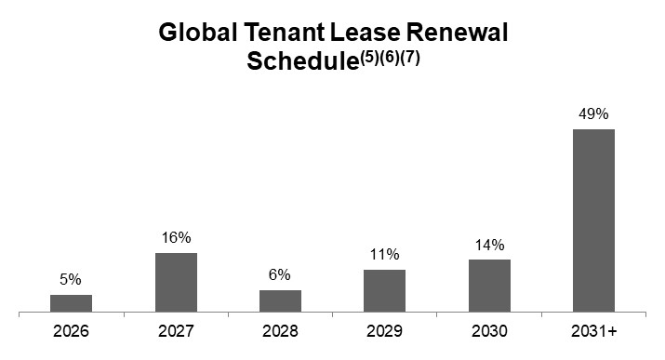
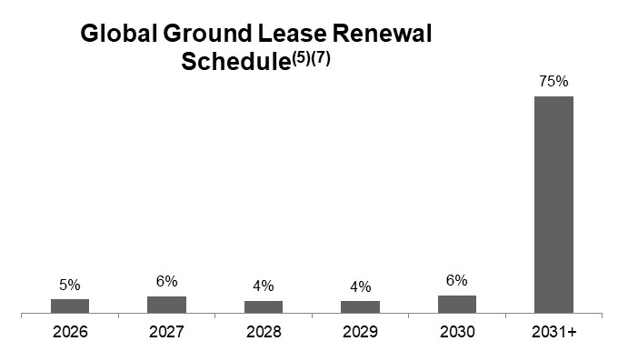

Data for the quarter ended March 31, 2026. Percentages may not sum to 100% due to rounding.
Named carrier percentages reflect only U.S. & Canada revenue. Revenue derived from international markets is included in international percentage.
Beginning on January 1, 2026, 100% of DISH revenue will be reflected in churn.
Other U.S. & Canada includes additional voice/data providers, broadcast companies, government agencies, local municipalities, etc.
2026 includes 2025 carryover leases in the renewal schedules.
Reflects effective term commitments.
Excludes Data Centers segment.

Historical Financial Data>>>>
HISTORICAL FINANCIAL & SUPPLEMENTAL DATA

Income Statement
UNAUDITED CONSOLIDATED STATEMENTS OF OPERATIONS
($ in millions, except per share data. Totals may not add due to rounding.)

 |  | 1Q24 | 2Q24 | 3Q24 | 4Q24 | 1Q25 | 2Q25 | 3Q25 | 4Q25 | 1Q26 | 2023 | 2024 | 2025
REVENUES:
 | Property | $2,482.4 | $2,497.3 | $2,469.9 | $2,483.9 | $2,488.2 | $2,527.4 | $2,616.3 | $2,673.1 | $2,669.9 | $9,869.2 | $9,933.5 | $10,305.0
 | Services | 30.2 | 47.4 | 52.4 | 63.7 | 74.6 | 99.5 | 101.1 | 64.4 | 67.6 | 143.0 | 193.7 | 339.6
 | Total operating revenues | 2,512.6 | 2,544.7 | 2,522.3 | 2,547.6 | 2,562.8 | 2,626.9 | 2,717.4 | 2,737.5 | 2,737.5 | 10,012.2 | 10,127.2 | 10,644.6
OPERATING EXPENSES:
 | Costs of operations (exclusive of items shown separately below):
 | Property | 605.0 | 627.3 | 626.9 | 622.6 | 599.6 | 640.6 | 657.0 | 676.9 | 664.8 | 2,501.4 | 2,481.8 | 2,574.1
 | Services | 13.9 | 22.0 | 24.9 | 31.8 | 34.9 | 48.1 | 53.8 | 37.2 | 38.5 | 60.1 | 92.6 | 174.0
 | Depreciation, amortization and accretion | 508.8 | 520.6 | 498.5 | 500.9 | 492.5 | 510.3 | 522.9 | 515.9 | 518.2 | 2,928.5 | 2,028.8 | 2,041.6
(1)
(1)
(1)
 | Selling, general, administrative and development expense | 244.3 | 218.3 | 227.7 | 243.1 | 237.5 | 233.7 | 233.0 | 236.5 | 257.4 | 946.0 | 933.4 | 940.7
(2)
 | Other operating (income) expense | (0.4) | 0.3 | 5.1 | 69.1 | (55.8) | (3.5) | 17.4 | 110.3 | 19.4 | 370.7 | 74.1 | 68.4
 | Goodwill impairment | - | - | - | - | - | - | - | - | - | 80.0 | - | -
 | Total operating expenses | 1,371.6 | 1,388.5 | 1,383.1 | 1,467.5 | 1,308.7 | 1,429.2 | 1,484.1 | 1,576.8 | 1,498.3 | 6,886.7 | 5,610.7 | 5,798.8
OPERATING INCOME |  | 1,141.0 | 1,156.2 | 1,139.2 | 1,080.1 | 1,254.1 | 1,197.7 | 1,233.3 | 1,160.7 | 1,239.2 | 3,125.5 | 4,516.5 | 4,845.8
OTHER INCOME (EXPENSE):
 | Interest income | 31.0 | 34.4 | 37.7 | 32.1 | 26.9 | 30.6 | 36.1 | 40.4 | 36.0 | 118.6 | 135.2 | 134.0
 | Interest expense | (363.8) | (362.7) | (356.8) | (321.2) | (325.3) | (342.6) | (347.1) | (344.4) | (347.3) | (1,388.2) | (1,404.5) | (1,359.4)
 | Loss on retirement of long-term obligations | - | - | - | - | - | - | - | - | - | (0.3) | - | -
 | Other income (expense)(3) | 113.1 | 19.4 | (269.6) | 514.7 | (338.2) | (373.9) | 27.7 | 108.2 | 90.2 | (326.3) | 377.6 | (576.2)
 | Total other (expense) income | (219.7) | (308.9) | (588.7) | 225.6 | (636.6) | (685.9) | (283.3) | (195.8) | (221.1) | (1,596.2) | (891.7) | (1,801.6)
INCOME FROM CONTINUING OPERATIONS BEFORE INCOME TAXES |  | 921.3 | 847.3 | 550.5 | 1,305.7 | 617.5 | 511.8 | 950.0 | 964.9 | 1,018.1 | 1,529.3 | 3,624.8 | 3,044.2
 | Income tax provision | (91.3) | (77.4) | (122.4) | (75.2) | (118.9) | (131.3) | (37.4) | (128.1) | (139.6) | (90.8) | (366.3) | (415.7)
(4)
(4)
NET INCOME FROM CONTINUING OPERATIONS |  | 830.0 | 769.9 | 428.1 | 1,230.5 | 498.6 | 380.5 | 912.6 | 836.8 | 878.5 | 1,438.5 | 3,258.5 | 2,628.5
INCOME (LOSS) FROM DISCONTINUED OPERATIONS, NET OF TAXES |  | 91.7 | 138.5 | (1,208.5) | - | - | - | - | - | - | (71.4) | (978.3) | -
NET INCOME (LOSS) |  | 921.7 | 908.4 | (780.4) | 1,230.5 | 498.6 | 380.5 | 912.6 | 836.8 | 878.5 | 1,367.1 | 2,280.2 | 2,628.5
 | Net (income) loss attributable to noncontrolling interests | (4.3) | (8.1) | (11.9) | (0.9) | (9.9) | (13.7) | (59.3) | (16.1) | (19.0) | 116.2 | (25.2) | (99.0)
NET INCOME (LOSS) ATTRIBUTABLE TO AMERICAN TOWER CORPORATION COMMON STOCKHOLDERS |  | $917.4 | $900.3 | $(792.3) | $1,229.6 | $488.7 | $366.8 | $853.3 | $820.7 | $859.5 | $1,483.3 | $2,255.0 | $2,529.5
NET INCOME FROM CONTINUING OPERATIONS ATTRIBUTABLE TO AMERICAN TOWER CORPORATION COMMON STOCKHOLDERS |  | $825.7 | $761.8 | $416.2 | $1,229.6 | $488.7 | $366.8 | $853.3 | $820.7 | $859.5 | $1,554.7 | $3,233.3 | $2,529.5
NET INCOME (LOSS) FROM DISCONTINUED OPERATIONS ATTRIBUTABLE TO AMERICAN TOWER CORPORATION COMMON STOCKHOLDERS |  | $91.7 | $138.5 | $(1,208.5) | $- | $- | $- | $- | $- | $- | $(71.4) | $(978.3) | $-

INCOME (LOSS) PER COMMON SHARE AMOUNTS:
 | Basic net income from continuing operations attributable to American Tower Corporation common stockholders | $1.77 | $1.63 | $0.89 | $2.63 | $1.05 | $0.78 | $1.82 | $1.76 | $1.84 | $3.34 | $6.92 | $5.41
 | Basic net income (loss) from discontinued operations attributable to American Tower Corporation common stockholders | 0.20 | 0.30 | (2.59) | - | - | - | - | - | - | (0.15) | (2.09) | -
 | Basic net income (loss) attributable to American Tower Corporation common stockholders | $1.97 | $1.93 | $(1.70) | $2.63 | $1.05 | $0.78 | $1.82 | $1.76 | $1.84 | $3.18 | $4.83 | $5.41
 | Diluted net income from continuing operations attributable to American Tower Corporation common stockholders | $1.77 | $1.63 | $0.89 | $2.62 | $1.04 | $0.78 | $1.82 | $1.75 | $1.84 | $3.33 | $6.91 | $5.40
 | Diluted net income (loss) from discontinued operations attributable to American Tower Corporation common stockholders | 0.20 | 0.30 | (2.58) | - | - | - | - | - | - | (0.15) | (2.09) | -
 | Diluted net income (loss) attributable to American Tower Corporation common stockholders | $1.96 | $1.92 | $(1.69) | $2.62 | $1.04 | $0.78 | $1.82 | $1.75 | $1.84 | $3.18 | $4.82 | $5.40

WEIGHTED AVERAGE COMMON SHARES OUTSTANDING:
 | BASIC | 466.5 | 467.0 | 467.2 | 467.3 | 467.6 | 468.2 | 468.3 | 467.6 | 466.2 | 466.1 | 467.0 | 467.9
 | DILUTED | 467.7 | 467.8 | 468.3 | 468.4 | 468.5 | 468.8 | 469.0 | 468.4 | 466.8 | 467.2 | 468.1 | 468.8

(1) | Full year 2023 results includes approximately $80 million related to the loss from the Company's sale of one of its subsidiaries in Mexico that held fiber assets (“Mexico Fiber”) and the sale of our subsidiary in Poland ("ATC Poland"). Q1 2025 and full year 2025 results include approximately $54 million related to the gain from the Company's sale of its fiber assets held in South Africa ("South Africa Fiber").
...

REGIONAL TEARSHEETS >>>>
REGIONAL TEAR SHEETS

Data Centers
...
Development Summary
MW under construction | 40 | 44 | 45 | 32 | 29 | 38 | 42 | 55 | 45 | 32 | 32 | 55
NRSF under construction | 294,454 | 317,819 | 342,282 | 264,923 | 221,341 | 320,130 | 489,244 | 604,512 | 488,149 | 238,270 | 264,923 | 604,512
Percentage leased | 34.5% | 61.0% | 58.0% | 54.4% | 47.3% | 23.6% | 6.0% | 9.0% | 9.8% | 39.7% | 54.4% | 9.0%
Costs incurred to-date | $347.9 | $436.4 | $507.8 | $275.7 | $143.2 | $125.1 | $150.8 | $263.0 | $234.8 | $292.9 | $275.7 | $263.0
Estimated total costs for under construction | $672.3 | $745.9 | $745.9 | $433.8 | $321.1 | $412.2 | $527.8 | $857.0 | $813.0 | $609.7 | $433.8 | $857.0

MW held for future development(3) | 223 | 202 | 226 | 223 | 214 | 209 | 296 | 279 | 471 | 205 | 223 | 279
NRSF held for future development(3) | 2,117,939 | 1,914,574 | 2,177,534 | 2,169,416 | 2,111,866 | 1,985,933 | 2,518,677 | 2,389,334 | 3,145,039 | 1,904,123 | 2,169,416 | 2,389,334
Estimated total costs for future development(3) | $2,754.9 | $2,539.2 | $2,970.2 | $2,987.7 | $2,906.5 | $3,058.1 | $5,105.0 | $4,777.5 | $8,175.4 | $2,486.9 | $2,987.7 | $4,777.5

(4)
(4)
(4)
(4)
(4)
(4)
Capital Expenditures
Discretionary capital projects | $114.9 | $76.9 | $202.3 | $112.2 | $114.6 | $84.0 | $181.5 | $231.4 | $212.5 | $394.6 | $506.3 | $611.5
Redevelopment | - | - | - | - | - | - | - | - | - | - | - | -
Capital improvements | 6.2 | 7.8 | 9.0 | 15.8 | 14.7 | 11.0 | 11.4 | 16.7 | 13.5 | 33.5 | 38.8 | 53.7
(5)
Corporate | - | - | - | - | - | - | - | - | - | - | - | -
Total | $121.1 | $84.7 | $211.3 | $128.0 | $129.3 | $94.9 | $192.9 | $248.1 | $226.0 | $428.1 | $545.0 | $665.2

(1) Rental, related and other revenue includes data center rental, customer reimbursement, and other revenue, and office, light-industrial and other revenue.
(2) MRR per CabE is a calculated on same-store (SS) basis. During the first quarter of 2026, the SS pool was updated to include all turn-key data center space that was leased or available to be leased as of December 31, 2024, and excludes powered shell data center space, office space, and space for which development was completed and became available to be leased after December 31, 2024. The MRR per CabE for all periods was updated to reflect the new SS pool.
(3) During Q2 2024, the Company entered into an agreement with Stonepeak to form a joint venture to construct a new data center in Denver, CO (the “Stonepeak Development Partnership”). Stonepeak holds an 85% ownership interest and the Company owns a 15% noncontrolling interest. The Stonepeak Development Partnership represents 18 MWs, 180,000 NRSF, and approximately $280.0 million of estimated total costs for future development (which are excluded from the development summary above due to the Company’s noncontrolling interest).
(4) Q1 2026, Q4 2025, Q3 2025, Q3 2024, 2024, 2025 include approximately $99 million, $66 million, $59 million, $96 million, $125 million, and $96 million, respectively, related to land parcel purchases for future data center development.
(5) Q2 2025 excludes approximately $180 million for acquisitions, primarily driven by the acquisition of a multi-tenant data center facility in Denver, Colorado, in which it previously leased space.

Definitions are provided at the end of this document.

CAPITAL STRUCTURE >>>>
CAPITAL STRUCTURE

Net Leverage Ratio
DEBT MATURITY SCHEDULE AND CALCULATION OF NET LEVERAGE

(2)
>>

HISTORICAL NET LEVERAGE RATIO
($ in millions. Totals may not add due to rounding.)
 | 1Q24 | 2Q24 | 3Q24(3) | 4Q24 | 1Q25 | 2Q25 | 3Q25 | 4Q25 | 1Q26 | 2021 | 2022 | 2023 | 2024(3) | 2025

Total debt | $39,260 | $38,968 | $37,098 | $36,502 | $36,862 | $37,485 | $37,239 | $37,220 | $37,322 | $43,254 | $38,670 | $38,922 | $36,502 | $37,220
Cash and cash equivalents | 2,389 | 2,492 | 2,150 | 2,000 | 2,104
...

APPENDIX >>>>
APPENDIX

Risk Factors
Cautionary Language Regarding Forward-Looking Statements:
This document contains “forward-looking statements” concerning our goals, beliefs, expectations, strategies, objectives, plans, future operating results and underlying assumptions and other statements that are not necessarily based on historical facts. Examples of these statements include, but are not limited to, statements regarding our full year 2026 outlook and other targets, foreign currency exchange rates, our expectations regarding our stock repurchase program, the creditworthiness and financial strength of our customers, the expected impacts of strategic partnerships on our business, our expectations for the closing of signed agreements and the expected impacts of such agreements on our business, and our expectations regarding the leasing demand for communications real estate. Actual results may differ materially from those indicated in our forward-looking statements as a result of various important factors, including: (1) a significant decrease in leasing demand for our communications infrastructure would materially and adversely affect our business and operating results, and we cannot control that demand; (2) our business, results of operations and financial condition could be negatively impacted by disputes with our customers; (3) a substantial portion of our current and projected future revenue is derived from a small number of customers, and we are sensitive to adverse changes in the creditworthiness and financial strength of our customers; (4) increasing competition within our industries may materially and adversely affect our revenue; (5) if our customers consolidate their operations, exit their businesses or share site infrastructure to a significant degree, our growth and revenue could be materially and adversely affected; (6) competition to build or purchase assets could adversely affect our ability to achieve our return on investment criteria; (7) new technologies or changes, or lack thereof, in our or a customer’s business model could make our communications infrastructure leasing business less desirable and result in decreasing revenues and operating results; (8) divestitures may materially and adversely affect our financial condition, results of operations or cash flows; (9) our use of joint ventures and strategic partnerships may expose us to risks associated with jointly owned investments; (10) our leverage, debt service obligations and repurchase activity may materially and adversely affect our ability to raise additional financing to fund capital expenditures, future growth and expansion initiatives and may reduce funds available to satisfy our distribution requirements; (11) increased inflation and interest rates may adversely affect us by increasing costs beyond what we can recover through price increases; (12) restrictive covenants in the agreements related to our securitization transaction, our credit facilities and our debt securities could materially and adversely affect our business by limiting flexibility, and we may be prohibited from paying dividends on our common stock, which may jeopardize our qualification for taxation as a REIT; (13) our foreign operations are subject to economic, political and other risks that could materially and adversely affect our revenues or financial position, including risks associated with fluctuations in foreign currency exchange rates; (14) our business, and that of our customers, is subject to laws, regulations and administrative and judicial decisions, and changes thereto, that could restrict our ability to operate our business as we currently do or impact our competitive landscape; (15) if we fail to remain qualified for taxation as a REIT, we will be subject to tax at corporate income tax rates, which may substantially reduce funds otherwise available, and even if we qualify for taxation as a REIT, we may face tax liabilities that impact earnings and available cash flow; (16) complying with REIT requirements may limit our flexibility or cause us to forego otherwise attractive opportunities; (17) we could have liability under environmental and occupational safety and health laws; (18) we may be adversely affected by regulations related to climate change; (19) if we, or third parties on which we rely, experience technology failures, including cybersecurity incidents or the loss of personally identifiable information, we may incur substantial costs and suffer other negative consequences, which may include reputational damage; (20) our data center segment contains certain operational differences from our tower leasing operations, resulting in different operational risks. If we do not successfully operate our data center segment or identify or manage the related operational risks, such operations may produce results that are lower than anticipated; (21) if we are unable to protect our rights to the land under our towers and buildings in which our data centers are located, it could adversely affect our business and operating results; (22) our

